Stringer
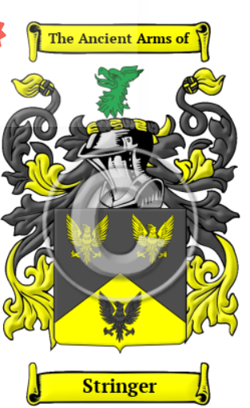
https://www.houseofnames.com/stringer-family-crest
The name Stringer comes from the ancient Norman culture that was established in Britain after the Conquest of 1066. It was a name for a strong or courageous person. Checking further we found the name was derived from the German word streng, of the same meaning. It evolved to be an occupational name for "one who made strings for bows." 1 2
"In war if a string break, the man is lost and is no man, and his weapon is gone, and although he have two strings put on at once, yet he shah have small leisure and less room to bend his bow, therefore, God send us good stringers both for war and peace." 3

The surname Stringer was first found in Nottinghamshire where they held a family seat from early times, where they were Lords of the manor of Eaton, and were conjecturally descended from Fulk, who held the lands of Eaton from Roger de Bully at the time of the taking of the Domesday Book in 1086. 4 The lands, at that time, consisted of two mills and a garden. Eaton is the celebrated site of the Battle of the Idle in 617 between Redwald and Ethelfrith of Northumbria.

The name grew to become a "common Yorkshire name" 5 which we will explore shortly. First we will search through early rolls: Walter Stringere was listed in the Curia Regis Rolls for Wiltshire in 1194; and Roger le Strenger in Yorkshire rolls in 1293. 5

Early Somerset records show Godwynn Strenger, Somerset, 1 Edward III (during the first year of King Edward III's reign.) 6 The Yorkshire Poll Tax Rolls of 1379 include: Willelmus Strynger; Johannes Strenger; and Ricardus Stryngar as all holding lands there at that time. 7 In Scotland, it was a rather rare name but we did find "Laurence Stringhar [who was] admitted burgess of Aberdeen, 1486." 8

Samuel Stringer, who settled in Virginia in 1622 |  | 17th Century Stringers in the New World
Samvell Stringer, aged 17, who landed in Virginia in 1635 14
James Stringer, who arrived in Virginia in 1647 14
John Stringer, who settled in Virginia in 1651
Lettice Stringer, who landed in Virginia in 1653 14

John Stringer | b 1590 |  |  |  | Unknown |  |  | b 1594
 | Nantwich, Cheshire, England
https://www.familysearch.org/en/tree/person/details/KFYS-1V4

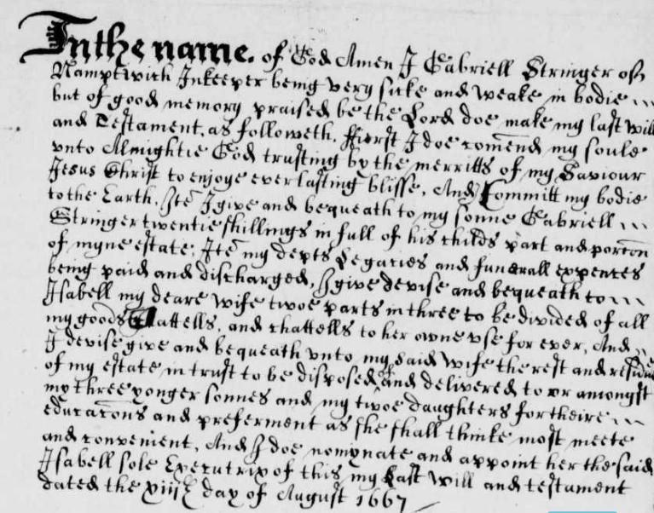
Gabriell Stringer | b 1619 | d 4-may-1669 |  |  | Isabell | (Habbell) |  | b 1628 |  |  | In the name of God Amen I Gabriell Stringer of Hampnett in the County of Gloucester being very sick and weak in body but of good memory (praised be the Lord) doe make my last will and testament as followeth.
aka Gabriel | Nantwich, Cheshire, England
https://www.familysearch.org/en/tree/person/details/KFPL-3W9 |  |  | will proved 4 May 1669 |  | inkeeper |  |  |  |  |  | First I doe commend my soul unto Almighty God trusting to the merritts of my Saviour Jesus Christ to enjoy everlasting bliss, and I committ my body to the Earth.

John Stringer, Sr | b 8-oct-1648 | b 2-mar-1690 |  | m 22-aug-1674 | Mary Powell |  |  |  |  |  | Item I give and bequeath to my sonne Gabriell Stringer twenty shillings in full of his child’s part and portion of myne estate.
 |  |  |  | Nantwich, Cheshire, England
https://www.familysearch.org/en/tree/person/details/K41B-MVY | Christening 8-oct-1648 Nantwich, Cheshire, England |  |  |  |  |  |  |  |  |  | Item my debts & legacies and funerall expenses being paid and discharged, I give devise and bequeath to Habbell my deare wife two parts in three to be divided of all my goods, chattells, and chattells to her own use forever.

John Stringer, Jr | b 20-jul-1681 | d 12-apr-1718 |  | m 20-jul-1699 | Margaret Mary Molyneux |  |  | b 1686 | d 1718 |  | And I devise, give and bequeath unto my said wife the rest and residue of my estate in trust to be disposed, employed, and delivered to or amongst my three youngest sonnes and my two daughters for their education and preferment as she shall think most meet and convenient.
aka John Stringloe | Cheshire, England | Elizabeth City, Va |  | Cheshire, England
https://www.familysearch.org/en/tree/person/details/LT3D-GTB | Christening 27-dec-1679 |  | Nantwich, Cheshire, England |  | weaver, carpenter/cooper & barrel maker |  |  |  |  |  | And I doe nominate and appoint the said Habbell sole Executrix of this my last Will and Testament.

John Stringer III | b 1714 | d 1771 |  | m 1739 | Katherine Batchelder |  |  | b 1724 | d 1771 |  | Dated the viiiᵗʰ day of August 1667
 | Elizabeth City, Va, British Colonial America | Edgecombe, NC |  | Edgecombe, NC
https://www.familysearch.org/en/tree/person/details/GQ5W-ZHT

Charles E Stringer | b 5-Jan-1748 | d 1823 to 1831 |  | m 1768 | Sarah King |  |  | b 1742 | d 1800 | Charles Stringer was a minister that labored in some of the Southern States. About 1809, in connection with Elder Rainy, he published a pamphlet in vindication of the Christian doctrine.
 | Edgecombe County, North Carolina, British Colonial America | Lawrence County, MS |  | Edgecombe County, North Carolina, British Colonial America |  |  |  |  |  | -----------------------
https://www.familysearch.org/en/tree/person/details/KJ8D-GF4 |  |  |  | burial: Stringer cemetary Lawrence County, MS |  |  |  | 1806 Georgia Land Lottery |  | Spouse: Sarah "Sally" Jones (1742-1799), married 1768, at Edgecombe, Edgecombe County, North Carolina – three daughters (Frances, Agnes, Cynthia) and twelve sons (Josiah, Lawrence, John, Zachariah, Isaac, Leonard, Simon, Reddin, Gray, Arthur, Jacob, Thomas)
 |  |  |  |  |  |  |  |  |  | Contributor: Ronald C. Brewer (48104028) • ronaldbrewer@gmail.com
John E Stringer | b 1772 | d 1-oct-1855 |  | m 1807 | Elizabeth Cawthon |  |  | b 1776 | d 1850
 | north carolina | lowndes, al |  | m 5-feb-1851 | Sarah Brooks |  |  | b 1791 | d 1868 | Charles was awarded land in the 1805 GA land lottery in what became Laurens Co.,, and was on the first grand jur of the firest court in that Co., in 1807. By 1818, he had sold all his land in Laurens Co., in preparation of his family's move to Lawrence Co., Mississippi.
https://www.familysearch.org/en/tree/person/details/GLZV-KDG |  |  |  | m. | Sarah Ann Jones |  |  | b 1790 | d 1855
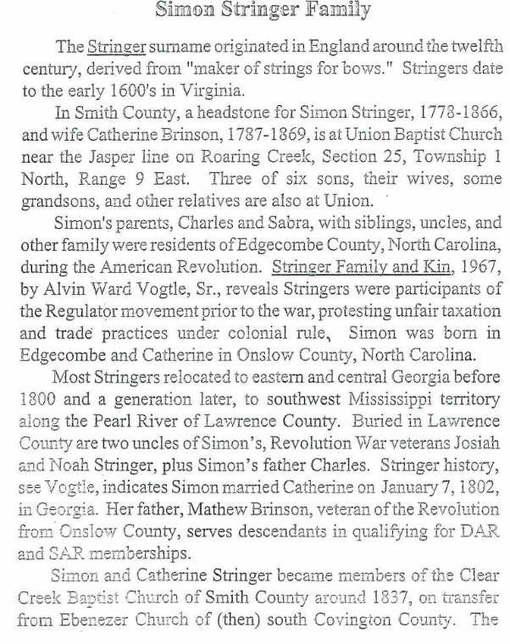
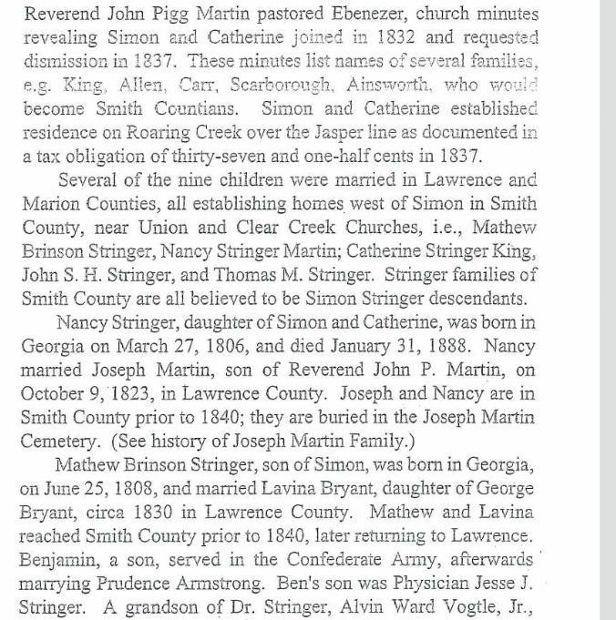
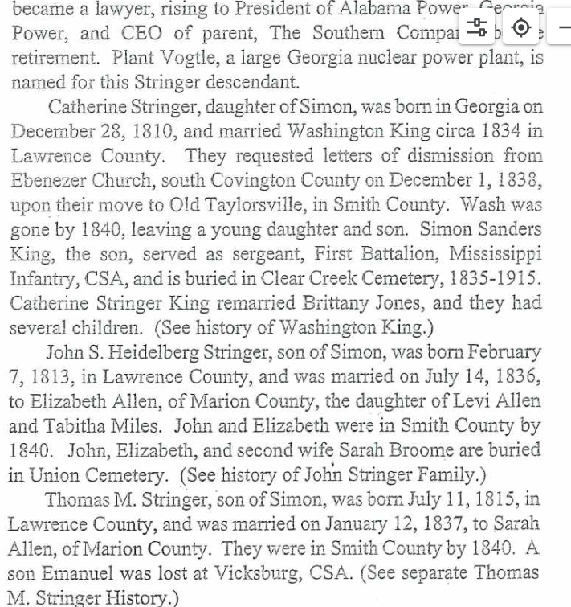
John Ashley Stringer | b 31-dec-1818 | d 13-dec-1895 |  | m 28-feb-1839 | Frances Susan Champion |  |  | b 1810 | d 1851
 |  | spring creek, butler, al |  | lowndes, al
https://www.familysearch.org/en/tree/person/details/LCPZ-5G1 |  |  |  | Steiners Store Butler Al (residence in 1880)

Anson Taylor Stringer | b 17-mar-1847 | d 6-mar-1920 |  | m 5-jan-1871 | Susan Frances Daniel |  |  | b 1846 | d 1921
 | Crenshaw, AL | Honoraville, Crenshaw, AL
https://www.familysearch.org/en/tree/person/about/KJH8-H2M |  |  |  | burial: Dry Cemetery, Crenshaw Co, AL

Thomas Franklin Stringer | b 6-apr-1875 | d 20-nov-1919 |  | m 1-oct-1905 | Jermoie Mapes |  |  | b 1881 | d 1918
 | Bradleyton, Crenshaw | Crewshaw, AL
https://www.familysearch.org/en/tree/person/about/KCRX-LPS

John Anson Stringer | b 16-nov-1906 | d 5-Dec-1992 |  | m | Agnes Elaine DePriest |  |  | b 1919 | d 1994
 | crewshaw, al | burial: Mount Zion United Methodist Cemetery Old Lodge, Honoraville, Crenshaw, Alabama, United States of America
https://www.familysearch.org/en/tree/person/details/G74K-1NM |  |  |  | 16-oct-1940 Draft Registration

Johnny Ray Stringer

https://www.familysearch.org/ark:/61903/1:1:6F7V-5B8T?lang=en

Thomas (Tommy) Balfour Stringer | b 22-jun-1939 | d 17-Feb-2018 |  | burial: Salem Church Of Christ Cemetery, Danielsville, Crenshaw, Alabama, United States
 |  |  |  | m Shelby Jean Kiser 29-May-1959 |  |  | b 1938 | d 1961
https://www.familysearch.org/en/tree/person/details/GSJD-DR6

